Worksheet


 |  |  |  |  |  |  | SS23

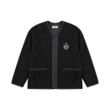
 | Qrunful Cotton Liner Ripstop |  |  |  | XS | S | M | L | XL
 |  | SS23-QCLRB001 | Black | 580.00 |  |  |  |  |  |  | 0 | 216.00 | 0.00
 |  | 100% CO
 |  | Origin: Palestine
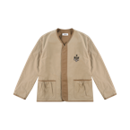
 | Qrunful Cotton Liner Ripstop |  |  |  | XS | S | M | L | XL
 |  | SS23-QCLRBR002 | Brown | 580.00 |  |  |  |  |  |  | 0 | 216.00 | 0.00
 |  | 100% CO
 |  | Origin: Palestine
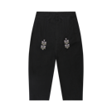
 | Qrunful Cotton Ripstop Trousers |  |  |  | XXS | XS | S | M | L | XL
 |  | SS23-QCRTB001 | Black | 370.00 |  |  |  |  |  |  | 0 | 138.00 | 0.00
 |  | 100% CO
 |  | Origin: Palestine
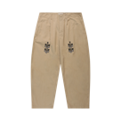
 | Qrunful Cotton Ripstop Trousers |  |  |  | XXS | XS | S | M | L | XL
 |  | SS23-QCRTBR002 | Brown | 370.00 |  |  |  |  |  |  | 0 | 138.00 | 0.00
 |  | 100% CO
 |  | Origin: Palestine
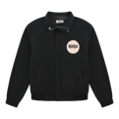
 | Sur Logo Ripstop Track Jacket |  |  |  | XS | S | M | L | XL
 |  | SS23-SLRTJB001 | Black | 630.00 |  |  |  |  |  |  | 0 | 234.00 | 0.00
 |  | 60% CO 40% NY
 |  | Origin: Palestine
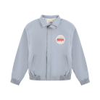
 | Sur Logo Ripstop Track Jacket |  |  |  | XS | S | M | L | XL
 |  | SS23-SLRTJBL002 | Light Blue | 630.00 |  |  |  |  |  |  | 0 | 234.00 | 0.00
 |  | 60% CO 40% NY
 |  | Origin: Palestine
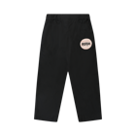
 | Sur Logo Ripstop Track Elastic Waist Pants |  |  |  | XXS | XS | S | M | L | XL
 |  | SS23-SLRTEWPB001 | Black | 370.00 |  |  |  |  |  |  | 0 | 138.00 | 0.00
 |  | 60% CO 40% NY
 |  | Origin: Palestine
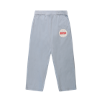
 | Sur Logo Ripstop Track Elastic Waist Pants |  |  |  | XXS | XS | S | M | L | XL
 |  | SS23-SLRTEWPBL002 | Light Blue | 370.00 |  |  |  |  |  |  | 0 | 138.00 | 0.00
 |  | 60% CO 40% NY
 |  | Origin: Palestine
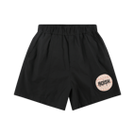
 | Sur Logo Ripstop Track Elastic Waist Shorts |  |  |  | XXS | XS | S | M | L | XL
 |  | SS23-SLRTSB001 | Black | 320.00 |  |  |  |  |  |  | 0 | 118.00 | 0.00
 |  | 60% CO 40% NY
 |  | Origin: Palestine
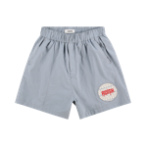
 | Sur Logo Ripstop Track Elastic Waist Shorts |  |  |  | XXS | XS | S | M | L | XL
 |  | SS23-SLRTSBL002 | Light Blue | 320.00 |  |  |  |  |  |  | 0 | 118.00 | 0.00
 |  | 60% CO 40% NY
 |  | Origin: Palestine
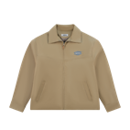
 | Majdal Elbow Patch Work Jacket |  |  |  | XS | S | M | L | XL
 |  | SS23-MEPWJB001 | Beige | 660.00 |  |  |  |  |  |  | 0 | 246.00 | 0.00
 |  | 100% CO
 |  | Origin: Palestine
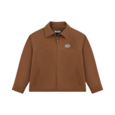
 | Majdal Elbow Patch Work Jacket |  |  |  | XS | S | M | L | XL
 |  | SS23-MEPWJBR002 | Camel | 660.00 |  |  |  |  |  |  | 0 | 246.00 | 0.00
 |  | 100% CO
 |  | Origin: Palestine
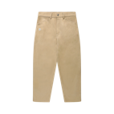
 | Sarou Cotton Chino Trousers |  |  |  | XXS | XS | S | M | L | XL
 |  | SS23-SCCTB001 | Beige | 430.00 |  |  |  |  |  |  | 0 | 158.00 | 0.00
 |  | 100% CO
 |  | Origin: Palestine
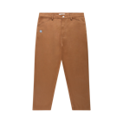
 | Sarou Cotton Chino Trousers |  |  |  | XXS | XS | S | M | L | XL
 |  | SS23-SCCTBR002 | Camel | 430.00 |  |  |  |  |  |  | 0 | 158.00 | 0.00
 |  | 100% CO
 |  | Origin: Palestine
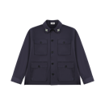
 | Qurs Flap Pockets Overshirt |  |  |  | XS | S | M | L | XL
 |  | SS23-QFPOSN001 | Navy | 470.00 |  |  |  |  |  |  | 0 | 174.00 | 0.00
 |  | 100% CO
 |  | Origin: Palestine
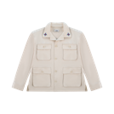
 | Qurs Flap Pockets Overshirt |  |  |  | XS | S | M | L | XL
 |  | SS23-QFPOSW002 | Off White | 470.00 |  |  |  |  |  |  | 0 | 174.00 | 0.00
 |  | 100% CO
 |  | Origin: Palestine
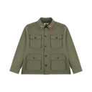
 | Qurs Flap Pockets Overshirt |  |  |  | XS | S | M | L | XL
 |  | SS23-QFPOSG003 | Olive Green | 470.00 |  |  |  |  |  |  | 0 | 174.00 | 0.00
 |  | 100% CO
 |  | Origin: Palestine
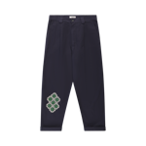
 | Sukkar Cotton Pleated Chino Trousers |  |  |  | XXS | XS | S | M | L | XL
 |  | SS23-SCCTBR002 | Navy | 460.00 |  |  |  |  |  |  | 0 | 172.00 | 0.00
 |  | 100% CO
 |  | Origin: Palestine
 | Sukkar Cotton Pleated Chino Trousers |  |  |  | XXS | XS | S | M | L | XL
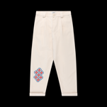
 |  | SS23-SCCTBR002 | Off White | 460.00 |  |  |  |  |  |  | 0 | 172.00 | 0.00
 |  | 100% CO
 |  | Origin: Palestine
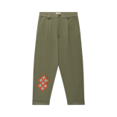
 | Sukkar Cotton Pleated Chino Trousers |  |  |  | XXS | XS | S | M | L | XL
 |  | SS23-SCCTBR002 | Olive Green | 460.00 |  |  |  |  |  |  | 0 | 172.00 | 0.00
 |  | 100% CO
 |  | Origin: Palestine
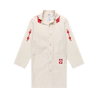
 | Adish x The Inoue Brothers Makhlut Canvas Lab Coat |  |  |  | XS | S | M | L | XL
 |  | SS23-TIBMCC001 | Natural | 650.00 |  |  |  |  |  |  | 0 | 242.00 | 0.00
 |  | 100% CO
 |  | Origin: Palestine
 | Adish x The Inoue Brothers Garment Dyed Mountain Shirt |  |  |  | XS | S | M | L | XL
 |  | SS23-TIBGDMSN001 | Navy | 430.00 |  |  |  |  |  |  | 0 | 158.00 | 0.00
 |  | 100% CO
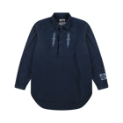 |  | Origin: Palestine
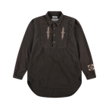
 | Adish x The Inoue Brothers Garment Dyed Mountain Shirt |  |  |  | XS | S | M | L | XL
 |  | SS23-TIBGDMSB002 | Brown | 430.00 |  |  |  |  |  |  | 0 | 158.00 | 0.00
 |  | 100% CO
 |  | Origin: Palestine
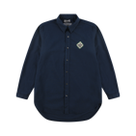
 | Adish x The Inoue Brothers Garment Dyed Button Up Shirt |  |  |  | XS | S | M | L | XL
 |  | SS23-TIBGDBSN001 | Navy | 420.00 |  |  |  |  |  |  | 0 | 154.00 | 0.00
 |  | 100% CO
 |  | Origin: Palestine
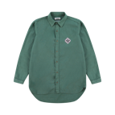
 | Adish x The Inoue Brothers Garment Dyed Button Up Shirt |  |  |  | XS | S | M | L | XL
 |  | SS23-TIBGDBSG002 | Green | 420.00 |  |  |  |  |  |  | 0 | 154.00 | 0.00
 |  | 100% CO
 |  | Origin: Palestine
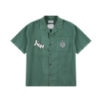
 | Adish x The Inoue Brothers Garment Dyed Short Sleeve Button Up Shirt |  |  |  | XS | S | M | L | XL
 |  | SS23-TIBGDSSG002 | Green | 420.00 |  |  |  |  |  |  | 0 | 154.00 | 0.00
 |  | 100% CO
 |  | Origin: Palestine
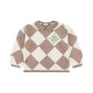
 | Iota Hand Knitted Collar Jumper |  |  |  | S-M |  |  | L-XL
 |  | SS23-IOKJW001 | Off White- Camel | 970.00 |  |  |  |  |  |  | 0 | 360.00 | 0.00
 |  | 100% CO
 |  | Origin: Turkey
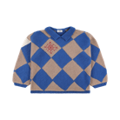
 | Iota Hand Knitted Collar Jumper |  |  |  | S-M |  |  | L-XL
 |  | SS23-IOKJC002 | Camel- Blue | 970.00 |  |  |  |  |  |  | 0 | 360.00 | 0.00
 |  | 100% CO
 |  |  | Origin: Turkey
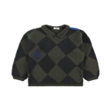
 | Iota Hand Knitted Collar Jumper |  |  |  | S-M |  |  | L-XL
 |  | SS23-IOKJG003 | Green- Dark Grey | 970.00 |  |  |  |  |  |  | 0 | 360.00 | 0.00
 |  | 100% CO
 |  | Origin: Turkey
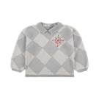
 | Iota Hand Knitted Collar Jumper |  |  |  | S-M |  |  | L-XL
 |  | SS23-IOKJGR004 | Grey | 970.00 |  |  |  |  |  |  | 0 | 360.00 | 0.00
 |  | 100% CO
 |  | Origin: Turkey
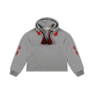
 | Makhlut Lakiya Tassels Hoodie |  |  |  | XS | S | M | L | XL | XXL
 |  | SS23-MLTH001 | Grey | 420.00 |  |  |  |  |  |  | 0 | 154.00 | 0.00
 |  | 100% CO
 |  | Origin: Turkey
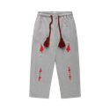
 | Makhlut Lakiya Tassels Sweapants |  |  |  | XS | S | M | L | XL
 |  | SS23-MLTS001 | Grey | 380.00 |  |  |  |  |  |  | 0 | 142.00 | 0.00
 |  | 100% CO
 |  | Origin: Turkey
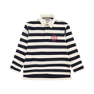
 | Kharaz Striped Rugby Shirt |  |  |  | XS | S | M | L | XL | XXL
 |  | SS23-KSRSN001 | Navy-Off White | 330.00 |  |  |  |  |  |  | 0 | 122.00 | 0.00
 |  | 100% CO
 |  | Origin: Palestine
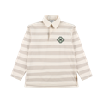
 | Kharaz Striped Rugby Shirt |  |  |  | XS | S | M | L | XL | XXL
 |  | SS23-KSRSB002 | Beige-Off White | 330.00 |  |  |  |  |  |  | 0 | 122.00 | 0.00
 |  | 100% CO
 |  | Origin: Palestine
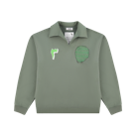
 | Sur Patch Collar Crewneck |  |  |  | XS | S | M | L | XL | XXL
 |  | SS23-SPCCG001 | Olive Green | 330.00 |  |  |  |  |  |  | 0 | 122.00 | 0.00
 |  | 100% CO
 |  | Origin: Turkey
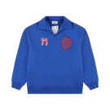
 | Sur Patch Collar Crewneck |  |  |  | XS | S | M | L | XL | XXL
 |  | SS23-SPCCB002 | Blue | 330.00 |  |  |  |  |  |  | 0 | 122.00 | 0.00
 |  | 100% CO
 |  | Origin: Turkey
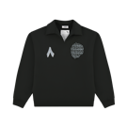
 | Sur Patch Collar Crewneck |  |  |  | XS | S | M | L | XL | XXL
 |  | SS23-SPCCBL003 | Black | 330.00 |  |  |  |  |  |  | 0 | 122.00 | 0.00
 |  | 100% CO
 |  | Origin: Turkey
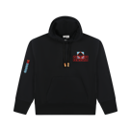
 | Kharaz Logo Hooded Sweatshirt |  |  |  | XS | S | M | L | XL | XXL
 |  | SS23-KLHSB001 | Black | 360.00 |  |  |  |  |  |  | 0 | 134.00 | 0.00
 |  | 100% CO
 |  | Origin: Turkey
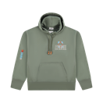
 | Kharaz Logo Hooded Sweatshirt |  |  |  | XS | S | M | L | XL | XXL
 |  | SS23-KLHSG002 | Green | 360.00 |  |  |  |  |  |  | 0 | 134.00 | 0.00
 |  | 100% CO
 |  | Origin: Turkey
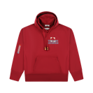
 | Kharaz Logo Hooded Sweatshirt |  |  |  | XS | S | M | L | XL | XXL
 |  | SS23-KLHSR003 | Red | 360.00 |  |  |  |  |  |  | 0 | 134.00 | 0.00
 |  | 100% CO
 |  | Origin: Turkey
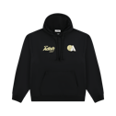
 | Kurat Logo Hooded Sweatshirt |  |  |  | XS | S | M | L | XL | XXL
 |  | SS23-LKHSB001 | Black | 330.00 |  |  |  |  |  |  | 0 | 122.00 | 0.00
 |  | 100% CO
 |  | Origin: Turkey
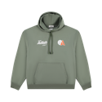
 | Kurat Logo Hooded Sweatshirt |  |  |  | XS | S | M | L | XL | XXL
 |  | SS23-LKHSG002 | Olive Green | 330.00 |  |  |  |  |  |  | 0 | 122.00 | 0.00
 |  | 100% CO
 |  | Origin: Turkey
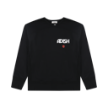
 | Zahara Printed Logo Crewneck Sweatshirt |  |  |  | XS | S | M | L | XL | XXL
 |  | SS23-ZPLCSB001 | Black | 290.00 |  |  |  |  |  |  | 0 | 108.00 | 0.00
 |  | 100% CO
 |  | Origin: Turkey
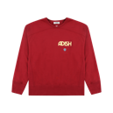
 | Zahara Printed Logo Crewneck Sweatshirt |  |  |  | XS | S | M | L | XL | XXL
 |  | SS23-ZPLCSR002 | Red | 290.00 |  |  |  |  |  |  | 0 | 108.00 | 0.00
 |  | 100% CO
 |  | Origin: Turkey
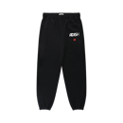
 | Zahara Printed Logo Sweatpants |  |  |  | XS | S | M | L | XL
 |  | SS23-ZPLSB001 | Black | 260.00 |  |  |  |  |  |  | 0 | 98.00 | 0.00
 |  | 100% CO
 |  | Origin: Turkey
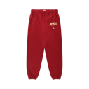
 | Zahara Printed Logo Sweatpants |  |  |  | XS | S | M | L | XL
 |  | SS23-ZPLSR002 | Red | 260.00 |  |  |  |  |  |  | 0 | 98.00 | 0.00
 |  | 100% CO
 |  | Origin: Turkey
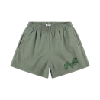
 | Tatreez Logo French Terry Shorts |  |  |  | XS | S | M | L | XL
 |  | SS23-TLFSG001 | Olive Green | 220.00 |  |  |  |  |  |  | 0 | 80.00 | 0.00
 |  | 100% CO
 |  | Origin: Turkey
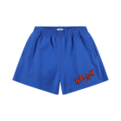
 | Tatreez Logo French Terry Shorts |  |  |  | XS | S | M | L | XL
 |  | SS23-TLFSB002 | Blue | 220.00 |  |  |  |  |  |  | 0 | 80.00 | 0.00
 |  | 100% CO
 |  | Origin: Turkey
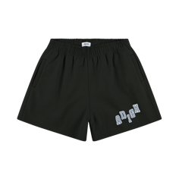
 | Tatreez Logo French Terry Shorts |  |  |  | XS | S | M | L | XL
 |  | SS23-TLFSBL003 | Black | 220.00 |  |  |  |  |  |  | 0 | 80.00 | 0.00
 |  | 100% CO
 |  | Origin: Turkey
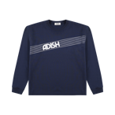
 | Zahara Printed Logo Long Sleeve Shirt |  |  |  | XS | S | M | L | XL | XXL
 |  | SS23-ZLLSN001 | Navy | 180.00 |  |  |  |  |  |  | 0 | 68.00 | 0.00
 |  | 100% CO
 |  | Origin: Turkey

 | Zahara Printed Logo Long Sleeve Shirt |  |  |  | XS | S | M | L | XL | XXL
 |  | SS23-ZLLSW002 | Off White | 180.00 |  |  |  |  |  |  | 0 | 68.00 | 0.00
 |  | 100% CO
 |  | Origin: Turkey

 | Zahara Printed Logo Long Sleeve Shirt |  |  |  | XS | S | M | L | XL | XXL
 |  | SS23-ZLLSG003 | Olive Green | 180.00 |  |  |  |  |  |  | 0 | 68.00 | 0.00
 |  | 100% CO
 |  | Origin: Turkey

 | Adish Nadi Lel-Tennis Long Sleeve Shirt |  |  |  | XS | S | M | L | XL | XXL
 |  | SS23-ANTLSB001 | Black | 180.00 |  |  |  |  |  |  | 0 | 68.00 | 0.00
 |  | 100% CO
 |  | Origin: Turkey

 | Adish Nadi Lel-Tennis Long Sleeve Shirt |  |  |  | XS | S | M | L | XL | XXL
 |  | SS23-ANTLSW002 | Off White | 180.00 |  |  |  |  |  |  | 0 | 68.00 | 0.00
 |  | 100% CO
 |  | Origin: Turkey

 | Adish Nadi Lel-Tennis Long Sleeve Shirt |  |  |  | XS | S | M | L | XL | XXL
 |  | SS23-ANTLSN003 | Navy | 180.00 |  |  |  |  |  |  | 0 | 68.00 | 0.00
 |  | 100% CO
 |  | Origin: Turkey

 | Adish Nadi Lel-Tennis Short Sleeve T-Shirt |  |  |  | XS | S | M | L | XL | XXL
 |  | SS23-ANTLSTB001 | Black | 160.00 |  |  |  |  |  |  | 0 | 60.00 | 0.00
 |  | 100% CO
 |  | Origin: Turkey

 | Adish Nadi Lel-Tennis Short Sleeve T-Shirt |  |  |  | XS | S | M | L | XL | XXL
 |  | SS23-ANTLSTW002 | Off White | 160.00 |  |  |  |  |  |  | 0 | 60.00 | 0.00
 |  | 100% CO
 |  | Origin: Turkey

 | Adish Nadi Lel-Tennis Short Sleeve T-Shirt |  |  |  | XS | S | M | L | XL | XXL
 |  | SS23-ANTLSTN003 | Navy | 160.00 |  |  |  |  |  |  | 0 | 60.00 | 0.00
 |  | 100% CO
 |  | Origin: Turkey

 | Kora Logo Short Sleeve T-Shirt |  |  |  | XS | S | M | L | XL | XXL
 |  | SS23-KLSSTB001 | Black | 160.00 |  |  |  |  |  |  | 0 | 60.00 | 0.00
 |  | 100% CO
 |  | Origin: Turkey

 | Kora Logo Short Sleeve T-Shirt |  |  |  | XS | S | M | L | XL | XXL
 |  | SS23-KLSSTW002 | Off White | 160.00 |  |  |  |  |  |  | 0 | 60.00 | 0.00
 |  | 100% CO
 |  | Origin: Turkey

 | Kora Logo Short Sleeve T-Shirt |  |  |  | XS | S | M | L | XL | XXL
 |  | SS23-KLSSTG003 | Olive Green | 160.00 |  |  |  |  |  |  | 0 | 60.00 | 0.00
 |  | 100% CO
 |  | Origin: Turkey

 | Halak Classic Logo T-Shirt |  |  |  | XS | S | M | L | XL | XXL
 |  | SS23-HCLTSB001 | Black | 140.00 |  |  |  |  |  |  | 0 | 50.00 | 0.00
 |  | 100% CO
 |  | Origin: Turkey

 | Beidat Classic Logo T-Shirt |  |  |  | XS | S | M | L | XL | XXL
 |  | SS23-BCLTSW002 | Off White | 140.00 |  |  |  |  |  |  | 0 | 50.00 | 0.00
 |  | 100% CO
 |  | Origin: Turkey

 | Shaqhat Classic Logo T-Shirt |  |  |  | XS | S | M | L | XL | XXL
 |  | SS23-SCLTSG003 | Olive Green | 140.00 |  |  |  |  |  |  | 0 | 50.00 | 0.00
 |  | 100% CO
 |  | Origin: Turkey

 | Qurs Classic Logo T-Shirt |  |  |  | XS | S | M | L | XL | XXL
 |  | SS23-QCLTSO004 | Orange | 140.00 |  |  |  |  |  |  | 0 | 50.00 | 0.00
 |  | 100% CO
 |  | Origin: Turkey
 | FW22 Accessories

 |  |  |  | EUR |  |  |  |  |  |  |  | EUR | EUR
 | STYLE | REFERENCE | VARIANT | SRP | SIZES |  |  |  |  |  | QTY | UNIT | TOTAL
 | Sarou Tatreez Logo Qurs Cap |  |  |  | OS

 |  | SS23-STLQCB001 | Black | 120.00 |  |  |  |  |  |  | 0 | 44.00 | 0.00
 |  | 100% CO
 |  | Origin: China
 | TOTAL |  |  |  |  |  |  |  |  |  | 0 |  | EUR 0

 | DELIVERY TERMS

 | PAYMENT TERMS

 | TERMS AND CONDITIONS

